replaceAllforANDL
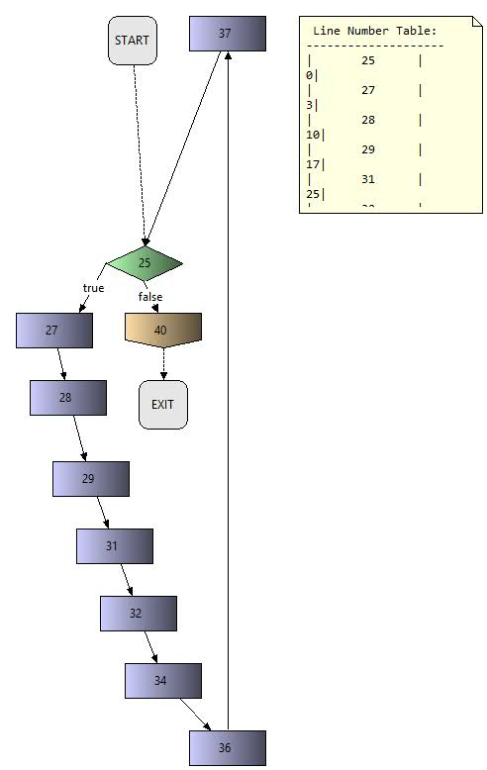
Method: | replaceAllforANDL and replaceforANDL
File | ANDL.java
Package: | ltlgenerator.andutils
Tester: | Roberto Camacho B.
Test case | Input | Path | Expected Output | Actual Output | Solution
1 | !((!(n.))U(((a&!(n.)))&l((!((d&!(n.))))U(n.)))) | 19-44 | !((!(n.))U(((a&!(n & ((!((d&!(n.))))U(n.))))))) | !((!(n.))U(((a&!(n&((!((d&!(n.))))U(n.)))))))
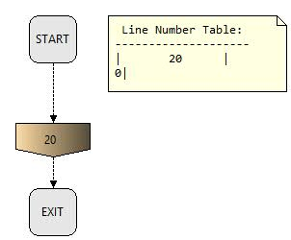
2 | G((((i&j&k).)&l!((n&m&o).))->(((i&j&k).)&l!((!((n&m&o).))U((((a&b&c)&((!(((d&e&h). &!((n&m&o)))))U((n&m&o).)) &!((n&m&o)))))))) | 19-44 | G((((i&j&k)&!((n&m&o).)))->(((i&j&k)&!((!((n&m&o).))U((((a&b&c)&((!(((d&e&h). &!((n&m&o)))))U((n&m&o).)) &!((n&m&o))))))))) | G((((j&kn&m&o)&)&!(()))->(((j&k!((n&m&o).))U((((a&b&c)&((!(((d&e&h). &!((n&m&o)))))U((n&m&o).)) &!((n&m&o)))))))) | Change the letters for L CP from jkl to ijk
3 | G(((j|k|l.)&l!(n|m|o.))->((j|k|l.)&l!((!(n|m|o.))U(((a|b|c&!(n|m|o&((!((d|e|h&!(n|m|o.))))U(n|m|o.))))))))) | 19-44 | G(((j|k|l)&(n|m|o))->((j|k|l.)&!((!(n|m|o.))U(((a|b|c&!(n|m|o&((!((d|e|h&!(n|m|o.))))U(n|m|o.))))))))) | G(((j|k|l&!(n|m|o.)))->((j|k|l&!((!(n|m|o.))U(((a|b|c&!(n|m|o&((!((d|e|h&!(n|m|o.))))U(n|m|o.)))))))))) | Add parenthesis to AtLeastOneC

getCPFormula
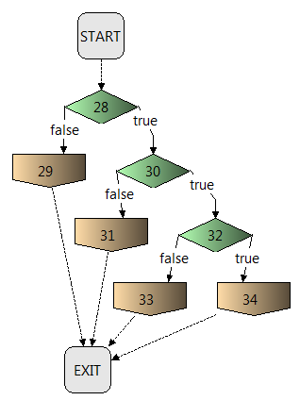
Method: | getCPFormula
File | CPClass.java
Package: | ltlgenerator.cpclasses
Tester: | Arih Carrera
Test case | Input | Path | Expected Output | Actual Output
1 | s.getPropositions().size() == 1 s.getPropositions().get(0) == "j" | [S,28,29,E] | (j.) | (j.)
2 | s.getPropositions().size() == 2 s.getPropositions().get(0) == "j" s.getPropositions().get(1) == "k" | [S,28,30,31,E] | (j|k.) | (j|k.)
3 | s.getPropositions().size() == 3 s.getPropositions().get(0) == "j" s.getPropositions().get(1) == "k" s.getPropositions().get(2) == "l" | [S,28,30,32,33,E] | (j|k|l.) | (j|k|l.)
4 | s.getPropositions().size() == 0 | [S,28,30,32,34,E] | Error | Error

